EDA
Data Info
 | Recording | 记录002
 | Subject | 牟天琦
 | Create Time | 2024-07-04 10:23:33.253
 | Data Name | Finger8 EDA
 | Data Type | EDA
 | Sample Rate | 64
 | Segment | 前静息态
 | Start Time | 0:00:29
 | End Time | 0:05:29
 | Duration | 0:05:00

Replay Chart
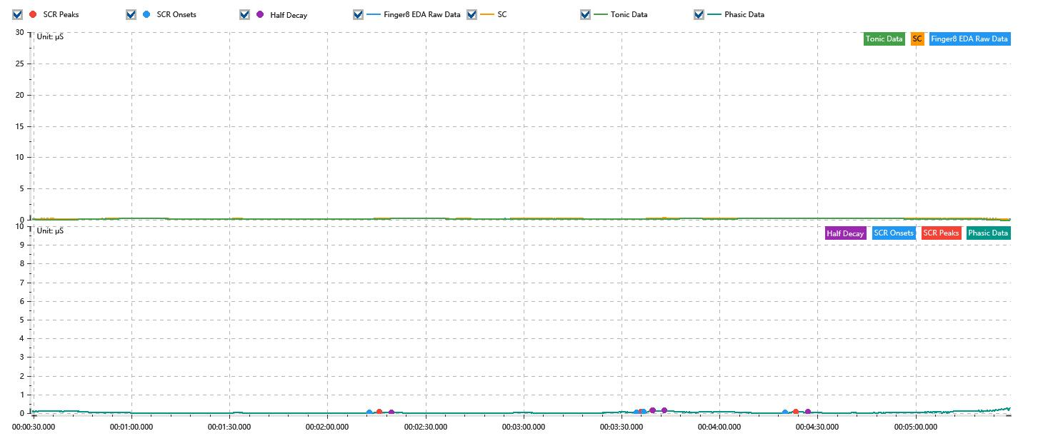

Process parameters
 | Filters
 | Smooth denoise | Enabled | 高斯 | 5(samples)
 | Lowpass filter | Enabled | 5μS
 | Skin Conductance Response
 | SCR extraction | Minimum SCR amplitude | 0.03μS
 | SCR extraction | Max rise time | 4s
 | SCR extraction | Max half decay time | 4s
 | SCR extraction | Peak dection sensitivity | 中
 | Event related activation | Window relative to event | 1s | 4s

Time Domain
 | Data | Mean | Max | Min | Std | Variance | Polar Distance | Data Length
 | SC | 0.18μS | 0.29μS | 0.01μS | 0.03μS | 0μS² | 0.27μS | 1200
 | Tonic | 0.15μS | 0.21μS | -0.17μS | 0.05μS | 0μS² | 0.39μS | 1200
 | Phasic | 0.04μS | 0.31μS | 0μS | 0.04μS | 0μS² | 0.31μS | 1200

SCR
 | OnsetTime | PeakTime | RiseTime | HalfDecayTime | Amp
 | 0.0015381828704 | 0.0015729050926 | 3s | 3.75s | 0.06μS
 | 0.0024843634259 | 0.0024988310185 | 1.25s | 3.75s | 0.05μS
 | 0.0025104050926 | 0.0025393402778 | 2.5s | 3.75s | 0.08μS
 | 0.0030109837963 | 0.003048599537 | 3.25s | 3.75s | 0.07μS

Event Related
 | Event Group | Event Name | Event Description | EventTime | SCRCount | Latency | AmpSum | SCL | Half Decay Time Avg. | Rise Decay Time Avg.
 | Custom | 前静息态采集开始 |  | 0.00034021367593 | 0 | 0s | 0μS | 0.05μS | 0s | 0s

